Sheet1
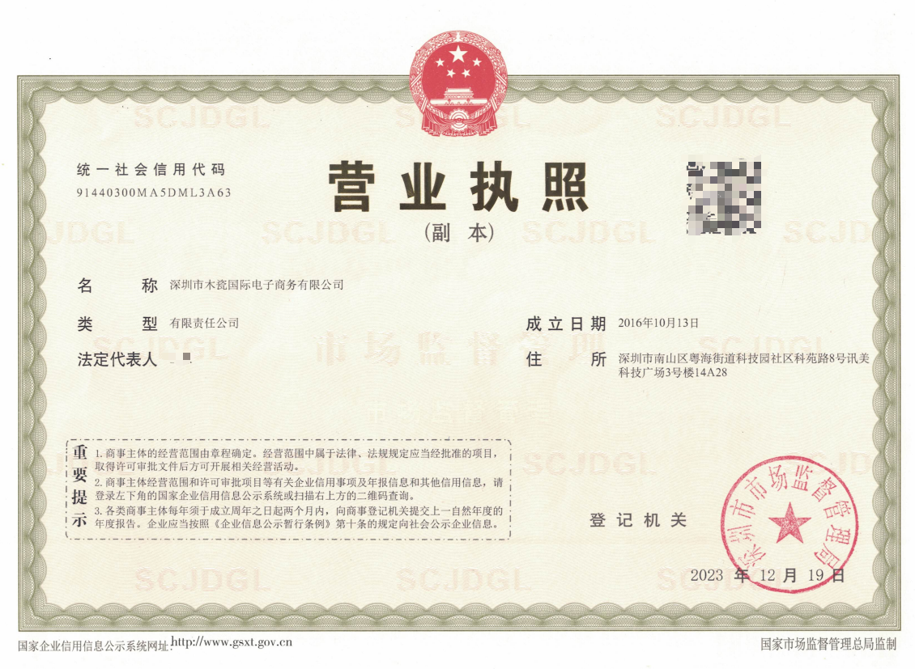

Unified Social Credit Code
BUSINESS LICENSE (Duplicate)

Name：SHENZHENSHI MUCIGUOJI DIANZISHANGWU YOUXIANGONGSI

Type：Limited Liability Company
Date of Establishment: 13 October 2016

Legal Representative：Wang Miao
Registered Address: Room 14A28, Building 3, Xunmei Tech Plaza,
No. 8 Keyuan Road, Science Park Community,
Yuehai Street, Nanshan District, Shenzhen City

Date of Registration: 19 December 2023

