D10_1_-_CTM_in_US (2)
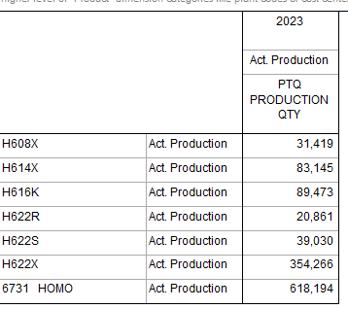
Back to Contents

D10.1 - CTM in Domestic Market |  |  |  |  |  |  |  | Currency
Case no.: | AD0049 |  |  |  |  |  |  | USD $
Company name: | Formosa TX

• Provide the total cost to make by cost type, by PCN in the tables below for the like goods produced for the domestic market during the POI
• Include the total cost to make for all goods produced during the POI
• Input figures into the whilte cells only - the yellow cells contain formulas
• All figures should be reported net of recoverable tax
• Add additional lines where necessary e.g. additional material costs
• Adapt the headings of each row (e.g., raw materials, energy) to suit the naming conventions of your own cost accounting system
• Create more PCN columns where necessary

 | All goods | All PCNs | 1
(I) Manufacturing costs
(A) Direct costs
Raw materials | This data is commercially sensitive and cannot be susceptible to a meaningful non-confidential summary. Since this information is related to the Company's commercial activities and sensitive business information, disclosure of which could harm the Company's market an competitive position.
Material 1
Material 2
Material 3
Material 4
Material 5
Material 6
Material 7
Material 8
Material 9
Material 10
Direct labour
Main Supplies
Energy costs
-
Total for (A) | - | - | - | - | - | - | -
(B) Manufacturing overheads
Indirect labour | This data is commercially sensitive and cannot be susceptible to a meaningful non-confidential summary. Since this information is related to the Company's commercial activities and sensitive business information, disclosure of which could harm the Company's market an competitive position.
Maintenance & repairs
Depreciation
Outside Service
Environmental Exp
Others
Shutdown Loss

-
Total for (B)
(C) Total of manufacturing cost (A+B)
Quantity produced (MT)
Manufacturing cost per unit

