Production
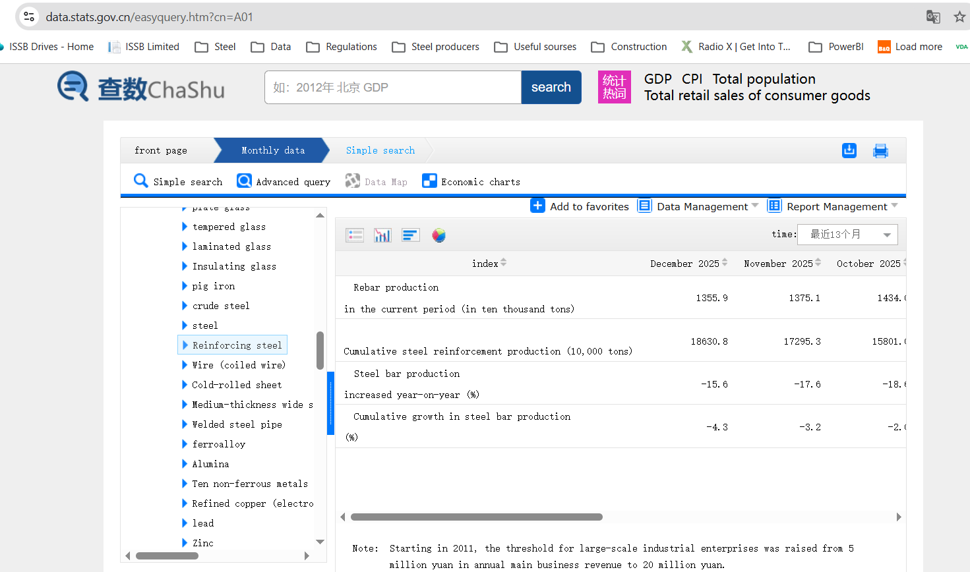
 |  | 2024 | 2025
 | Rebar production, Mt: | 195.058 | 186.308
 | Crude steel utilization rates, %: | 0.85-0.9
 | Rebar capacity estimate, Mt: | 229.480 | 219.186

Source: | https://data.stats.gov.cn/easyquery.htm?cn=A01 | https://www.seaisi.org/details/27784?type=news-rooms
Select: | Language: Chinese, then: Monthly - Industry - Output in major industries - Reinforcing steel (Google translate or Lens) - Note the value is in 10.000 t

OECD: | https://share.google/1RJv4qbmafHsWHXSw
WSA: | https://worldsteel.org/data/annual-production-steel-data/

